Tabelle1
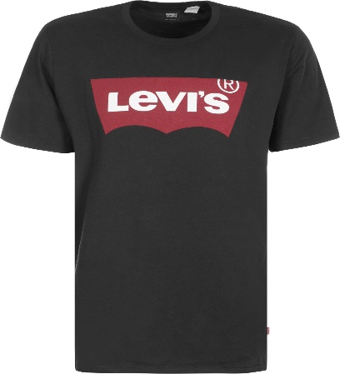
Levis

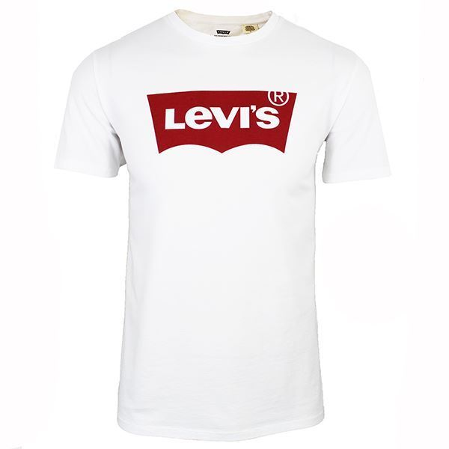
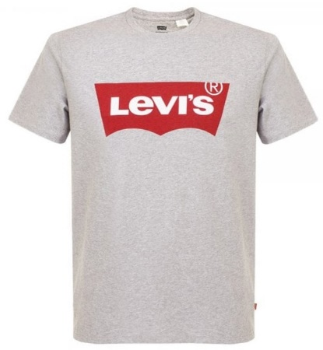
 | Men
 | colour | S | M | L | XL | Total
 | white | 300 | 600 | 600 | 300 | 1800
 | grey | 150 | 300 | 300 | 150 | 900
 | black | 300 | 600 | 600 | 300 | 1800
 | navy | 150 | 300 | 300 | 150 | 900
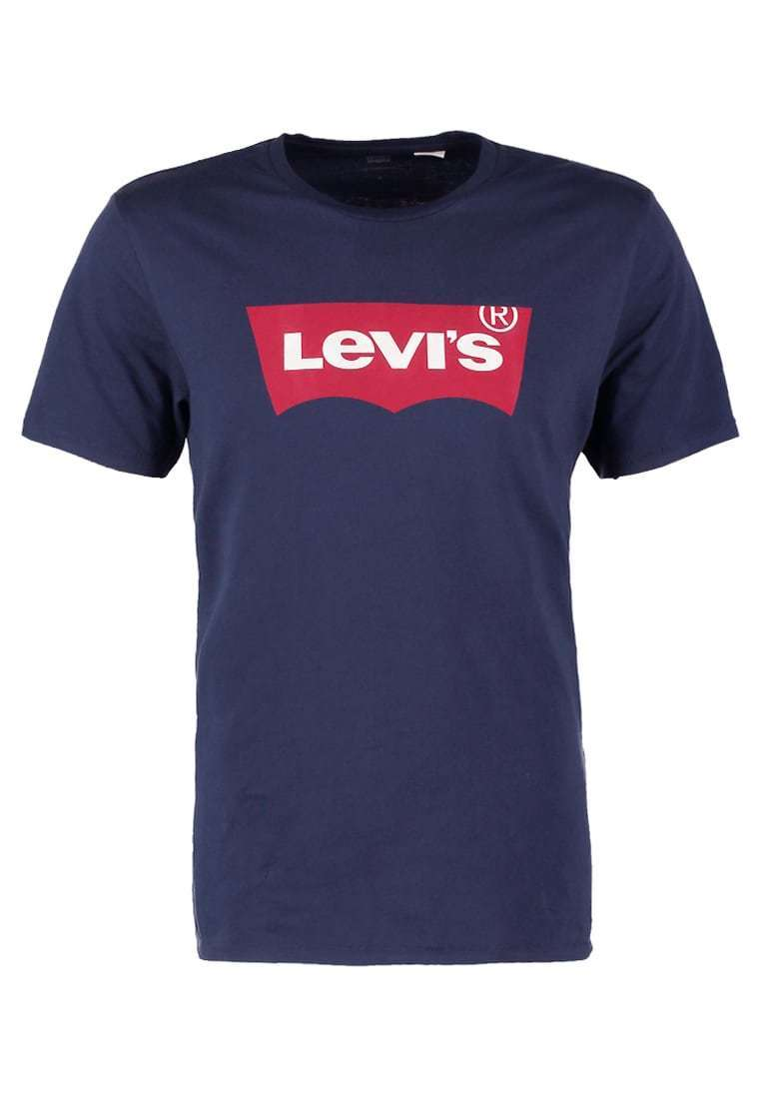
 |  | 900 | 1800 | 1800 | 900 | 5400 | pcs Total

